Sheet1
Climate Agreement | Climate Agreement |  | CO2 LC+direct |  | CO2 direct |  |  |  | CO2 LC |  |  |  |  |  |  | Costs |  |  |  |  |  |  | Production |  |  |  |  |  |  |  |  |  | Demand |  |  |  |  |  | Mismatches |  |  |  |  |  | SimuDate |  | Costs |  | Production |  |  | CO2 Direct + LC |  | CO2 Direct |  | CO2 LC |  |  |  |  | 17451.296713 |  |  | hoursHydrogenPowerSup | 1745.1296713
Year | Renewable | Non-renewable | Coal LC+direct | Gas LC+direct | Coal direct | Gas direct | Gasboilers direct | Transport direct | Goal LC | Gas LC | Solar roof LC | Solar field LC | Nuclear LC | Wind onshore LC | Wind offshore LC | GasCosts | CoalCosts | NuclearCosts | SolarRoofCosts | SolarFieldCosts | WindOnshoreCosts | WindOffshoreCosts | GasElProduction | CoalElProduction | NuclearElProduction | SolarRoofElProduction | SolarFieldElProduction | WindOnshoreElProduction | WindOffshoreElProduction | Import | Battery storage | Hydrogen storage | AgricultureElDemand | BuiltEnvironmentElDemand | IndustryElDemand | OthersElDemand | TransportElDemand | HeatPumpElDemand | Max Absolute mismatch before storage | Mismatch before non-renewables | Mismatch after | MM max before hydro | MM max after hydro |  | 4092020 | No batteries, Auke instalcap | Non-renewable | Renewable | Non-renewable | Renewable | Percentage renewable | Electricity sector | Electricity sector + Transport and Gasboilers | Electricity | Electricity sector + Transport and Gasboilers | Electricity | Direct CO2 reductions | Direct CO2 reduction percentages | 80% mismatch storage | 50% for batteries | InstalCapBatteries | 50% for hydrogen |  | 10 | HydrogenInstalCap | InstalCapSpeedHydrogen
2019 | 0.32979265897 | 119.52440572 | 44.907408 | 57.11631477 | 20.193264 | 23.798464487 | 2.1187709794 | 15.331068452 | 24.714144 | 33.317850282 | 0.16162109602 | 0.026460396054 | 0.05084352 | 0.096614686895 | 0.045096479997 | 4796119118.6 | 2098980000 | 374517000 | 299167969.55 | 41836563.701 | 470526072.54 | 436201071.4 | 67995612.821 | 30139400 | 4236960 | 3941977.9517 | 551258.25112 | 8783153.3541 | 3758039.9998 | 23887.03583 | 1 | 2 | 5977895.3254 | 56281903.432 | 28999549.967 | 26494075.549 | 651548.37074 | 1025116.7697 | 21826.204071 | -102395659.86 | -23887.03583 | 0 | 0 |  | 9600.2379664 |  | 7.2696161186 | 1.2477316772 | 102371972.82 | 17034429.557 | 14% | 102.40435895 | 119.85419838 | 43.991728487 | 61.441567919 | 58.412630461 | 0 | 0% | 0 | 0 | 0 | 0 | 0 | 0 | 0
2020 | 0.40295205118 | 115.43458273 | 39.264463238 | 58.818760554 | 17.655832463 | 24.507816897 | 2.0374175551 | 15.262818503 | 21.608630775 | 34.310943656 | 0.21057446459 | 0.034417585881 | 0.05112288 | 0.11286345824 | 0.045096542461 | 4939075344.1 | 1835227787.9 | 376574785.71 | 369639061.83 | 47087016.893 | 527818696.7 | 410017882.36 | 70022333.993 | 26351988.75 | 4260240 | 5135962.5509 | 717033.03918 | 10260314.386 | 3758045.2051 | 124586.12118 | 0 | 0 | 6004872.5259 | 56681612.635 | 29131897.326 | 26639647.393 | 936594.19921 | 1235879.9658 | 22020.88992 | -100759148.86 | -124586.12118 | 0 | 0 |  | 19725.36626 |  | 7.1508779178 | 1.3545626578 | 100634562.74 | 19871355.181 | 16% | 98.537298723 | 115.83753478 | 42.16364936 | 59.463885418 | 56.373649363 | 1.8280791274 | 4% | 0 | 0 | 0 | 0 | 0 | 0 | 0
2021 | 0.5450138214 | 108.0046276 | 38.984982075 | 52.052668795 | 17.530159725 | 21.688611998 | 1.9074148279 | 15.008578698 | 21.45482235 | 30.364056797 | 0.25938969599 | 0.042355744884 | 0.0509832 | 0.13024482636 | 0.11302355417 | 4370919254.7 | 1822164790.2 | 375545892.86 | 431797359.46 | 50141139.965 | 584901549.44 | 965926278.13 | 61967462.851 | 26164417.5 | 4248600 | 6326577.9509 | 882411.35176 | 11840438.76 | 9418629.5143 | 46562.754543 | 0 | 0 | 5987167.4691 | 56474638.67 | 29070575.485 | 26566861.471 | 1342490.652 | 1453139.0605 | 22035.438638 | -92426815.23 | -46334.878984 | 0 | 0 |  | 19431.336593 |  | 6.5686299377 | 2.032766327 | 92380480.351 | 28468057.577 | 24% | 91.633647892 | 108.54964142 | 39.218771723 | 56.134765249 | 52.414876169 | 4.7729567644 | 11% | 0 | 0 | 0 | 0 | 0 | 0 | 0
2022 | 0.6436005303 | 103.13454714 | 38.277822488 | 48.313578813 | 17.212175213 | 20.130657839 | 1.7770379596 | 14.715124681 | 21.065647275 | 28.182920974 | 0.29697826009 | 0.048467344362 | 0.0509832 | 0.14572354364 | 0.15243138221 | 4056943799.1 | 1789112029 | 375545892.86 | 468820969.28 | 49646908.586 | 628409712.16 | 1224517165.8 | 57516165.253 | 25689813.75 | 4248600 | 7243372.1974 | 1009736.3409 | 13247594.876 | 12702615.184 | 59139.762509 | 0 | 0 | 5987512.6964 | 56469178.571 | 29068779.39 | 26566861.471 | 1901322.5647 | 1700440.4074 | 21782.029191 | -87490776.502 | -36197.499082 | 0 | 0 |  | 18924.633407 |  | 6.221601721 | 2.3713947558 | 87454579.003 | 34203318.599 | 28% | 87.285985031 | 103.77814767 | 37.342833051 | 53.834995691 | 49.943151979 | 6.6488954362 | 15% | 0 | 0 | 0 | 0 | 0 | 0 | 0
2023 | 0.74044597165 | 98.163409025 | 36.666175163 | 45.493006398 | 16.487474738 | 18.955419332 | 1.6365514762 | 14.316692789 | 20.178700425 | 26.537587065 | 0.3345668242 | 0.054578943839 | 0.0509832 | 0.16205159361 | 0.18924861001 | 3820097263.4 | 1713783354.9 | 375545892.86 | 500864616.02 | 48375918.174 | 671053807.96 | 1429021151.7 | 54158340.95 | 24608171.25 | 4248600 | 8160166.4439 | 1137061.33 | 14731963.055 | 15770717.501 | 118512.86143 | 0 | 0 | 5991401.9537 | 56482177.839 | 29060670.95 | 26566861.471 | 2692804.9941 | 1968283.024 | 22094.454437 | -82962291.902 | 52820.298237 | 0 | 0 |  | 19576.368712 |  | 5.9094265112 | 2.6493154938 | 83015112.2 | 39799908.33 | 32% | 82.950610732 | 98.903854997 | 35.44289407 | 51.396138335 | 47.507716662 | 8.5488344174 | 19% | 0 | 0 | 0 | 0 | 0 | 0 | 0
2024 | 0.83941929762 | 93.577558254 | 34.6759803 | 43.527368928 | 15.5925549 | 18.13640372 | 1.4973812023 | 13.825704943 | 19.0834254 | 25.390965208 | 0.37224264395 | 0.060703995045 | 0.05112288 | 0.17922909148 | 0.22724356714 | 3655040545.6 | 1620761303.6 | 376574785.71 | 528468018.25 | 46556730.555 | 712694514.92 | 1612920736.3 | 51818296.343 | 23272470 | 4260240 | 9079088.8769 | 1264666.5634 | 16293553.771 | 18936963.928 | 210535.05885 | 0 | 0 | 6004960.5697 | 56668542.585 | 29134577.079 | 26639647.393 | 3766358.1453 | 2266771.8686 | 22812.205267 | -78906584.501 | 444421.84179 | 0 | 0 |  | 19995.525061 |  | 5.6523766349 | 2.9006400001 | 79351006.343 | 45574273.14 | 36% | 79.093891405 | 94.416977551 | 33.72895862 | 49.052044766 | 45.364932786 | 10.262769867 | 23% | 0 | 0 | 0 | 0 | 0 | 0 | 0
2025 | 0.93618139493 | 88.986846631 | 32.6534394 | 41.838150516 | 14.6830902 | 17.432562715 | 1.3370766281 | 13.107196887 | 17.9703492 | 24.405587801 | 0.40974395242 | 0.066802142794 | 0.0509832 | 0.19725686344 | 0.26237843628 | 3513195037 | 1526227392.9 | 375545892.86 | 551645710.91 | 44331936.356 | 753213179.03 | 1750511771.8 | 49807322.043 | 21915060 | 4248600 | 9993754.937 | 1391711.3082 | 17932442.131 | 21864869.69 | 356198.58742 | 0 | 0 | 5987138.9597 | 56473764.422 | 29070594.96 | 26566861.471 | 5205434.9545 | 2545429.0333 | 23366.004726 | -74666445.734 | 1304536.309 | 0 | 0 |  | 20069.662667 |  | 5.4149683227 | 3.0997025981 | 75970982.043 | 51182778.066 | 40% | 75.478754511 | 89.923028026 | 32.115652915 | 46.55992643 | 43.363101596 | 11.876075572 | 27% | 0 | 0 | 0 | 0 | 0 | 0 | 0
2026 | 1.104943168 | 84.044436395 | 29.01827895 | 41.525186793 | 13.04848785 | 17.302161164 | 1.1854126434 | 12.264574809 | 15.9697911 | 24.223025629 | 0.51574428291 | 0.084036957998 | 0.0509832 | 0.22045585748 | 0.28470606966 | 3486915132.5 | 1356319366.1 | 375545892.86 | 658471865.82 | 48256713.137 | 808347880.03 | 1785455748.7 | 49434746.182 | 19475355 | 4248600 | 12579128.851 | 1750769.9583 | 20041441.589 | 23725505.805 | 721872.66029 | 0 | 0 | 5987498.6812 | 56469140.921 | 29068748.288 | 26566861.471 | 7078973.7405 | 2841231.0109 | 24397.510727 | -69915607.908 | 3243093.2744 | 0 | 0 |  | 20947.446403 |  | 5.2187803914 | 3.3005322077 | 73158701.182 | 58096846.204 | 44% | 71.699392111 | 85.149379563 | 30.350649014 | 43.800636466 | 41.348743097 | 13.641079473 | 31% | 0 | 0 | 0 | 0 | 0 | 0 | 0
2027 | 1.2755015759 | 77.788263056 | 26.099134275 | 39.329276008 | 11.735852325 | 16.387198337 | 1.03760178 | 11.271267793 | 14.36328195 | 22.942077671 | 0.62176079571 | 0.10127436926 | 0.0509832 | 0.24484423839 | 0.3076221725 | 3302522113.8 | 1219878040.2 | 375545892.86 | 752802831.52 | 50320861.615 | 862099561.28 | 1813366000.4 | 46820566.676 | 17516197.5 | 4248600 | 15164897.456 | 2109882.6928 | 22258567.126 | 25635181.042 | 1241032.0359 | 0 | 0 | 5991348.4087 | 56479980.546 | 29060659.614 | 26566861.471 | 9395837.9192 | 3131438.7731 | 26042.554979 | -67038708.364 | 1546655.8125 | 11603.241132 | 9863.5358179 |  | 22587.965312 |  | 4.8979460468 | 3.4785892548 | 68585364.176 | 65168528.318 | 49% | 66.754895059 | 79.063764632 | 28.123050662 | 40.431920234 | 38.631844397 | 15.868677826 | 36% | 9282.5929059 | 4641.296453 | 17451.296713 | 4641.296453 | 4641.296453 | 464.1296453 | 1745.1296713
2028 | 1.4856493658 | 70.984884843 | 23.2589745 | 36.578543072 | 10.4587335 | 15.241059613 | 0.90246843807 | 10.193775953 | 12.800241 | 21.337483459 | 0.72840820599 | 0.1186054336 | 0.05112288 | 0.27042206759 | 0.36821365862 | 3071540075.1 | 1087128482.1 | 376574785.71 | 836349587.11 | 50993428.711 | 914324881.55 | 2040249108.8 | 43545884.61 | 15610050 | 4260240 | 17766053.805 | 2470946.5333 | 24583824.326 | 30684471.552 | 2060339.4225 | 0 | 0 | 6012236.3366 | 56668856.592 | 29158699.507 | 26639647.393 | 12254429.077 | 3430126.9217 | 26898.477515 | -62334409.758 | 1081764.8518 | 47853.207369 | 35648.243266 |  | 24118.485449 |  | 4.535243343 | 3.8419170062 | 63416174.61 | 75505296.216 | 54% | 61.374289818 | 72.470534209 | 25.699793113 | 36.796037504 | 35.674496705 | 18.291935374 | 42% | 38282.565895 | 19141.282947 | 34902.593425 | 19141.282947 | 19141.282947 | 1914.1282947 | 3490.2593425
2029 | 1.6408017421 | 67.096847438 | 21.0676017 | 36.199445193 | 9.4733511 | 15.083102164 | 0.7667384283 | 9.0120789164 | 11.5942506 | 21.116343029 | 0.83380620463 | 0.13575093107 | 0.0509832 | 0.29718709525 | 0.37405751113 | 3039706813.6 | 984703339.29 | 375545892.86 | 907890031.17 | 50502578.523 | 964893166.39 | 1948216203.8 | 43094577.611 | 14139330 | 4248600 | 20336736.698 | 2828144.3973 | 27017008.659 | 31171459.261 | 3343648.6485 | 0 | 0 | 5987128.5382 | 56473555.837 | 29070563.858 | 26566861.471 | 15241659.879 | 3664349.4322 | 28815.168512 | -61312669.379 | 169838.23136 | 64736.117589 | 34708.889652 |  | 24769.077685 |  | 4.3999560458 | 3.8715019799 | 61482507.611 | 81353349.015 | 57% | 58.958831835 | 68.73764918 | 24.556453264 | 34.335270608 | 34.402378571 | 19.435275224 | 44% | 51788.894071 | 25894.447036 | 52353.890138 | 25894.447036 | 25894.447036 | 2589.4447036 | 5235.3890138
2030 | 2.0351629032 | 50.913719967 | 15.6148275 | 26.714780814 | 7.0214325 | 11.131158673 | 0.64839562794 | 7.884732825 | 8.593395 | 15.583622142 | 0.9398022705 | 0.15298505856 | 0.0509832 | 0.32469214491 | 0.61768342925 | 2243269222.3 | 729839732.14 | 375545892.86 | 970419964.52 | 49247122.484 | 1012306300.1 | 3023988885.7 | 31803310.493 | 10479750 | 4248600 | 22922006.598 | 3187188.72 | 29517467.719 | 51473619.105 | 3650805.5148 | 0 | 0 | 5987562.2883 | 56468947.396 | 29068711.081 | 26566861.471 | 18446881.562 | 3894803.7003 | 30307.757664 | -42986834.165 | 3544826.3285 | 174512.96713 | 91523.398161 |  | 25305.606161 |  | 3.3486548473 | 5.0559622728 | 46531660.493 | 107100282.14 | 70% | 44.415754418 | 52.94888287 | 18.152591173 | 26.685719626 | 26.263163245 | 25.839137315 | 59% | 139610.3737 | 69805.186851 | 69805.186851 | 69805.186851 | 69805.186851 | 6980.5186851 | 6980.5186851

 |  |  |  |  |  |  |  |  |  |  |  |  |  |  |  |  |  |  |  |  |  |  | Gas | Coal | Nuclear | Solar roof | Solar field | Wind onshore | Wind offshore | Import | Battery storage | Hydrogen storage | Agriculture | Built enivornment | Industry | Other | Transport | Heat pump

D66 | D66 |  | CO2 LC+direct |  | CO2 direct |  |  |  | CO2 LC |  |  |  |  |  |  |  |  |  |  |  |  |  | Production |  |  |  |  |  |  |  |  |  | Demand |  |  |  |  |  |  |  |  |  |  |  |  |  | Costs |  | Production |  |  | CO2 Direct + LC |  | CO2 Direct |  | CO2 LC |  |  |  |  | 70779.684446 |  |  | hoursHydrogenPowerSup | 7077.9684446
Year | Renewable | Non-renewable | Coal LC+direct | Gas LC+direct | Coal direct | Gas direct | Gasboilers direct | Transport direct | Goal LC | Gas LC | Solar roof LC | Solar field LC | Nuclear LC | Wind onshore LC | Wind offshore LC | GasCosts | CoalCosts | NuclearCosts | SolarRoofCosts | SolarFieldCosts | WindOnshoreCosts | WindOffshoreCosts | GasElProduction | CoalElProduction | NuclearElProduction | SolarRoofElProduction | SolarFieldElProduction | WindOnshoreElProduction | WindOffshoreElProduction | Import |  |  | AgricultureElDemand | BuiltEnvironmentElDemand | IndustryElDemand | OthersElDemand | TransportElDemand | HeatPumpElDemand | Max Absolute mismatch before storage | Mismatch before non-renewables | Mismatch after |  |  |  | SimuDate | No batteries, Auke instalcap | Non-renewable | Renewable | Non-renewable | Renewable |  | Electricity sector | Electricity sector + Transport and Gasboilers | Electricity | Electricity sector + Transport and Gasboilers | Electricity | Direct CO2 reductions | Direct CO2 reduction percentages | 80% mismatch storage | 50% for batteries | InstalCapBatteries | 50% for hydrogen |  | 10 | HydrogenInstalCap
2019 | 0.32979265897 | 119.52440572 | 44.907408 | 57.11631477 | 20.193264 | 23.798464487 | 2.1187709794 | 15.331068452 | 24.714144 | 33.317850282 | 0.16162109602 | 0.026460396054 | 0.05084352 | 0.096614686895 | 0.045096479997 | 4796119118.6 | 2098980000 | 374517000 | 299167969.55 | 41836563.701 | 470526072.54 | 436201071.4 | 67995612.821 | 30139400 | 4236960 | 3941977.9517 | 551258.25112 | 8783153.3541 | 3758039.9998 | 23887.03583 | 1 | 2 | 5977895.3254 | 56281903.432 | 28999549.967 | 26494075.549 | 651548.37074 | 1025116.7697 | 21826.204071 | -102395659.86 | -23887.03583 | 0 | 0 |  | 8762.2988052 |  | 7.2696161186 | 1.2477316772 | 102371972.82 | 17034429.557 | 14% | 102.40435895 | 119.85419838 | 43.991728487 | 61.441567919 | 58.412630461 | 0 | 0% | 0 | 0 | 0 | 0 | 0 | 0 | 0
2020 | 0.49947281379 | 112.13617356 | 39.240956625 | 55.543857999 | 17.645262375 | 23.143274166 | 2.0374175551 | 15.262818503 | 21.59569425 | 32.400583833 | 0.21421041385 | 0.10015133041 | 0.05112288 | 0.14001452707 | 0.045096542461 | 4664078212.1 | 1834129084.8 | 376574785.71 | 376021549.26 | 137017959.45 | 654793733.48 | 410017882.36 | 66123640.475 | 26336212.5 | 4260240 | 5224644.2402 | 2086486.0501 | 12728593.37 | 3758045.2051 | 112642.20421 | 0 | 0 | 6004872.5259 | 56681612.635 | 29131897.326 | 26639647.393 | 936594.19921 | 1235879.9658 | 21981.515163 | -96832735.18 | -112642.20421 | 0 | 0 |  | 19154.507647 |  | 6.8747820826 | 1.5778511246 | 96720092.975 | 23797768.865 | 20% | 95.335410318 | 112.63564638 | 40.788536541 | 58.0887726 | 54.546873777 | 3.2031919459 | 7% | 0 | 0 | 0 | 0 | 0 | 0 | 0
2021 | 0.73176365538 | 102.62601439 | 38.309961788 | 47.349075873 | 17.226627113 | 19.728781614 | 1.9074148279 | 15.008578698 | 21.083334675 | 27.620294259 | 0.25698586084 | 0.20007448944 | 0.0509832 | 0.16167975092 | 0.11302355417 | 3975953437.4 | 1790614225.4 | 375545892.86 | 427795775.42 | 236850113.38 | 726069046.03 | 965926278.13 | 56367947.468 | 25711383.75 | 4248600 | 6267947.8255 | 4168218.5299 | 14698159.175 | 9418629.5143 | 42803.08581 | 0 | 0 | 5987167.4691 | 56474638.67 | 29070575.485 | 26566861.471 | 1342490.652 | 1453139.0605 | 22008.7121 | -86341917.763 | -13986.545284 | 0 | 0 |  | 18793.708547 |  | 6.1421135558 | 2.356641213 | 86327931.218 | 34552955.044 | 29% | 86.441784516 | 103.35777804 | 36.955408726 | 53.871402252 | 49.48637579 | 7.0363197612 | 16% | 0 | 0 | 0 | 0 | 0 | 0 | 0
2022 | 1.0584993579 | 88.83862868 | 28.84149045 | 43.45399239 | 12.96899235 | 18.105830162 | 1.7770379596 | 14.715124681 | 15.8724981 | 25.348162227 | 0.32122517515 | 0.37497717277 | 0.0509832 | 0.1809703994 | 0.18132661055 | 3648879037.8 | 1348056241.1 | 375545892.86 | 507098054.65 | 384103104.13 | 780406197.64 | 1456639335.1 | 51730943.321 | 19356705 | 4248600 | 7834760.3694 | 7812024.4326 | 16451854.491 | 15110550.879 | 87858.153228 | 0 | 0 | 5987512.6964 | 56469178.571 | 29068779.39 | 26566861.471 | 1901322.5647 | 1700440.4074 | 21714.073323 | -74484904.929 | 851343.39195 | 0 | 0 |  | 18345.880175 |  | 5.3724811718 | 3.1282466915 | 75336248.321 | 47209190.172 | 39% | 73.404965398 | 89.897128038 | 31.074822512 | 47.566985153 | 42.330142885 | 12.916905975 | 29% | 0 | 0 | 0 | 0 | 0 | 0 | 0
2023 | 1.3501663245 | 76.103856176 | 13.969722225 | 46.129906486 | 6.281687175 | 19.220794369 | 1.6365514762 | 14.316692789 | 7.68803505 | 26.909112117 | 0.42829069898 | 0.49990766086 | 0.0509832 | 0.20132288306 | 0.22064508155 | 3873578457 | 652947227.68 | 375545892.86 | 641174321.46 | 443091976.41 | 833675771.42 | 1666096720.8 | 54916555.34 | 9375652.5 | 4248600 | 10446114.609 | 10414742.935 | 18302080.279 | 18387090.129 | 337736.06903 | 0 | 0 | 5991401.9537 | 56482177.839 | 29060670.95 | 26566861.471 | 2692804.9941 | 1968283.024 | 21982.181069 | -67460349.953 | 1080457.8877 | 20877.427964 | 0 |  | 18737.564356 |  | 4.9020715776 | 3.58403879 | 68540807.84 | 57550027.951 | 46% | 61.500778235 | 77.4540225 | 25.502481544 | 41.455725809 | 35.998296691 | 18.489246943 | 42% | 16701.942371 | 8350.9711856 | 70779.684446 | 8350.9711856 | 8350.9711856 | 835.09711856 | 7077.9684446
2024 | 1.874540789 | 65.794911656 | 4.769456475 | 45.651246155 | 2.144654925 | 19.021352565 | 1.4973812023 | 13.825704943 | 2.62480155 | 26.62989359 | 0.64257227761 | 0.74993633211 | 0.05112288 | 0.22273471572 | 0.25929746358 | 3833384828.1 | 222925218.75 | 376574785.71 | 912251467.28 | 575161218.34 | 885692210.26 | 1840431661.7 | 54346721.613 | 3200977.5 | 4260240 | 15672494.576 | 15623673.586 | 20248610.52 | 21608121.965 | 799596.47558 | 0 | 0 | 6004960.5697 | 56668542.585 | 29134577.079 | 26639647.393 | 3766358.1453 | 2266771.8686 | 23932.132909 | -59227566.802 | 2580372.3106 | 110244.72339 | 7210.1976853 |  | 19447.286001 |  | 4.4328848325 | 4.2135365576 | 61807939.113 | 73152900.646 | 54% | 52.346366299 | 67.669452445 | 21.16600749 | 36.489093635 | 31.180358809 | 22.825720998 | 52% | 88195.778713 | 44097.889356 | 141559.36889 | 44097.889356 | 44097.889356 | 4409.7889356 | 14155.936889
2025 | 2.4004217553 | 60.196214679 | 4.5737319375 | 41.127226027 | 2.0566445625 | 17.136344178 | 1.3370766281 | 13.107196887 | 2.517087375 | 23.990881849 | 0.85655279432 | 0.99962961323 | 0.0509832 | 0.2452147131 | 0.29902463468 | 3453497933.8 | 213777020.09 | 375545892.86 | 1153192554.4 | 663384654.14 | 936337273.03 | 1995004431.4 | 48960983.365 | 3069618.75 | 4248600 | 20891531.569 | 20825616.942 | 22292246.646 | 24918719.557 | 1148027.0753 | 0 | 0 | 5987138.9597 | 56473764.422 | 29070594.96 | 26566861.471 | 5205434.9545 | 2545429.0333 | 34040.472219 | -52046030.637 | 4233171.4781 | 191805.55965 | 23868.886516 |  | 24261.161276 |  | 4.0428208467 | 4.747918913 | 56279202.115 | 88928114.714 | 61% | 48.15236292 | 62.596636435 | 19.19298874 | 33.637262255 | 28.959374179 | 24.798739747 | 56% | 153444.44772 | 76722.22386 | 212339.05334 | 76722.22386 | 76722.22386 | 7672.222386 | 21233.905334
2026 | 2.9348909189 | 52.815270562 | 0.0006872625 | 39.313612648 | 0.0003090375 | 16.380671937 | 1.1854126434 | 12.264574809 | 0.000378225 | 22.932940711 | 1.0706850553 | 1.249492135 | 0.0509832 | 0.2741551784 | 0.34055855015 | 3301206844.4 | 32122.767857 | 375545892.86 | 1366987496.4 | 717498407.39 | 1005247761.6 | 2135719206.3 | 46801919.819 | 461.25 | 4248600 | 26114269.643 | 26031086.146 | 24923198.036 | 28379879.179 | 1999500.0505 | 0 | 0 | 5987498.6812 | 56469140.921 | 29068748.288 | 26566861.471 | 7078973.7405 | 2841231.0109 | 43915.763546 | -45669620.574 | 5381360.4942 | 272517.32317 | 38601.139305 |  | 32618.372778 |  | 3.67678486 | 5.2254528717 | 51050981.069 | 105448433 | 67% | 42.300174029 | 55.750161481 | 16.380980974 | 29.830968426 | 25.919193055 | 27.610747513 | 63% | 218013.85853 | 109006.92927 | 283118.73778 | 109006.92927 | 109006.92927 | 10900.692927 | 28311.873778
2027 | 3.5548629204 | 44.488477213 | 0 | 32.12862444 | 0 | 13.38692685 | 1.03760178 | 11.271267793 | 0 | 18.74169759 | 1.2848509047 | 1.4993939097 | 0.0509832 | 0.30458263462 | 0.46603547145 | 2697875564.1 | 0 | 375545892.86 | 1555645524.4 | 745013708.7 | 1072439185.9 | 2747178046.4 | 38248362.428 | 0 | 4248600 | 31337826.943 | 31237373.118 | 27689330.42 | 38836289.288 | 1789214.6047 | 0 | 0 | 5991348.4087 | 56479980.546 | 29060659.614 | 26566861.471 | 9395837.9192 | 3131438.7731 | 54719.229047 | -34596234.357 | 7900728.0709 | 401228.02624 | 65877.187187 |  | 41677.477869 |  | 3.073421457 | 6.1202764654 | 42496962.428 | 129100819.77 | 75% | 35.73447056 | 48.043340133 | 13.38692685 | 25.695796423 | 22.34754371 | 30.604801637 | 70% | 320982.42099 | 160491.2105 | 353898.42223 | 160491.2105 | 160491.2105 | 16049.12105 | 35389.842223
2028 | 4.646821504 | 38.146864298 | 0 | 26.999497027 | 0 | 11.249790428 | 0.90246843807 | 10.193775953 | 0 | 15.749706599 | 1.7146250152 | 2.0007481896 | 0.05112288 | 0.33649337276 | 0.59495492637 | 2267177152.6 | 0 | 376574785.71 | 1968711928 | 860205195.35 | 1137718774 | 3296608449.8 | 32142258.366 | 0 | 4260240 | 41820122.323 | 41682253.951 | 30590306.615 | 49579577.198 | 1460865.3448 | 0 | 0 | 6012236.3366 | 56668856.592 | 29158699.507 | 26639647.393 | 12254429.077 | 3430126.9217 | 72420.406398 | -23129706.63 | 13272791.735 | 597763.94525 | 128275.67275 |  | 56349.337097 |  | 2.6437519383 | 7.2632443471 | 36402498.366 | 163672260.09 | 82% | 31.697441411 | 42.793685802 | 11.249790428 | 22.346034819 | 20.447650983 | 32.741938059 | 74% | 478211.1562 | 239105.5781 | 424678.10668 | 239105.5781 | 239105.5781 | 23910.55781 | 42467.810668
2029 | 6.643186248 | 29.839796305 | 0 | 20.009995761 | 0 | 8.3374982337 | 0.7667384283 | 9.0120789164 | 0 | 11.672497527 | 2.5697500613 | 2.998684512 | 0.0509832 | 0.36989596971 | 0.70485570495 | 1680261123.6 | 0 | 375545892.86 | 2798072801.9 | 1115582035.7 | 1200960940.6 | 3671123463.3 | 23821423.525 | 0 | 4248600 | 62676830.763 | 62472594.001 | 33626906.337 | 58737975.412 | 1210445.4058 | 0 | 0 | 5987128.5382 | 56473555.837 | 29070563.858 | 26566861.471 | 15241659.879 | 3664349.4322 | 105295.06532 | 1524166.3214 | 29594189.846 | 932746.328 | 340218.49401 |  | 81367.6947 |  | 2.0558070165 | 8.7857392415 | 28070023.525 | 217514306.51 | 89% | 26.704165209 | 36.482982553 | 8.3374982337 | 18.116315578 | 18.366666975 | 35.654230254 | 81% | 746197.0624 | 373098.5312 | 495457.79112 | 373098.5312 | 373098.5312 | 37309.85312 | 49545.779112
2030 | 9.4980053044 | 24.614202224 | 0 | 16.030090571 | 0 | 6.6792044045 | 0.64839562794 | 7.884732825 | 0 | 9.3508861663 | 3.8117447876 | 4.4479242897 | 0.0509832 | 0.40422183388 | 0.83411439321 | 1346064153 | 0 | 375545892.86 | 3935927117.5 | 1431822652.2 | 1260259342.6 | 4083568596.8 | 19083441.156 | 0 | 4248600 | 92969385.064 | 92665089.369 | 36747439.444 | 69509532.767 | 3041557.4867 | 0 | 0 | 5987562.2883 | 56468947.396 | 29068711.081 | 26566861.471 | 18446881.562 | 3894803.7003 | 155747.63462 | 39097104.401 | 62429145.557 | 1415593.6889 | 694870.44402 |  |  |  | 1.7216100458 | 10.711577709 | 23332041.156 | 291891446.64 | 93% | 25.579079075 | 34.112207528 | 6.6792044045 | 15.212332857 | 18.899874671 | 37.312524083 | 85% | 1132474.9511 | 566237.47557 | 566237.47557 | 566237.47557 | 566237.47557 | 56623.747557 | 56623.747557

GroenLinks | GroenLinks |  | CO2 LC+direct |  | CO2 direct |  |  |  | CO2 LC |  |  |  |  |  |  |  |  |  |  |  |  |  | Production |  |  |  |  |  |  |  |  |  | Demand |  |  |  |  |  |  |  |  |  |  |  |  |  | Costs |  | Production |  |  | CO2 Direct + LC |  | CO2 Direct |  | CO2 LC |  |  |  |  | 127282.20252 |  |  | hoursHydrogenPowerSup | 12728.220252
Year | Renewable | Non-renewable | Coal LC+direct | Gas LC+direct | Coal direct | Gas direct | Gasboilers direct | Transport direct | Goal LC | Gas LC | Solar roof LC | Solar field LC | Nuclear LC | Wind onshore LC | Wind offshore LC | GasCosts | CoalCosts | NuclearCosts | SolarRoofCosts | SolarFieldCosts | WindOnshoreCosts | WindOffshoreCosts | GasElProduction | CoalElProduction | NuclearElProduction | SolarRoofElProduction | SolarFieldElProduction | WindOnshoreElProduction | WindOffshoreElProduction | Import |  |  | AgricultureElDemand | BuiltEnvironmentElDemand | IndustryElDemand | OthersElDemand | TransportElDemand | HeatPumpElDemand | Max Absolute mismatch before storage | Mismatch before non-renewables | Mismatch after |  |  |  |  |  | Non-renewable | Renewable | Non-renewable | Renewable |  | Electricity sector | Electricity sector + Transport and Gasboilers | Electricity | Electricity sector + Transport and Gasboilers | Electricity | Direct CO2 reductions | Direct CO2 reduction percentages | 80% mismatch storage | 50% for batteries | InstalCapBatteries | 50% for hydrogen |  | 10 | HydrogenInstalCap
2019 | 0.32979265897 | 119.52440572 | 44.907408 | 57.11631477 | 20.193264 | 23.798464487 | 2.1187709794 | 15.331068452 | 24.714144 | 33.317850282 | 0.16162109602 | 0.026460396054 | 0.05084352 | 0.096614686895 | 0.045096479997 | 4796119118.6 | 2098980000 | 374517000 | 299167969.55 | 41836563.701 | 470526072.54 | 436201071.4 | 67995612.821 | 30139400 | 4236960 | 3941977.9517 | 551258.25112 | 8783153.3541 | 3758039.9998 | 23887.03583 | 1 | 2 | 5977895.3254 | 56281903.432 | 28999549.967 | 26494075.549 | 651548.37074 | 1025116.7697 | 21826.204071 | -102395659.86 | -23887.03583 | 0 | 0 |  |  |  | 7.2696161186 | 1.2477316772 | 102371972.82 | 17034429.557 | 14% | 102.40435895 | 119.85419838 | 43.991728487 | 61.441567919 | 58.412630461 | 0 | 0% | 0 | 0 | 0 | 0 | 0 | 0 | 0
2020 | 0.55161542123 | 91.639115519 | 0.0051405 | 74.282616081 | 0.0023115 | 30.951090034 | 2.0374175551 | 15.262818503 | 0.002829 | 43.331526047 | 0.21421041385 | 0.12514286902 | 0.05112288 | 0.16716559589 | 0.045096542461 | 6237592124.2 | 240267.85714 | 376574785.71 | 376021549.26 | 171209114.09 | 781768770.25 | 410017882.36 | 88431685.811 | 3450 | 4260240 | 5224644.2402 | 2607143.1046 | 15196872.354 | 3758045.2051 | 1148423.3303 | 0 | 0 | 6004872.5259 | 56681612.635 | 29131897.326 | 26639647.393 | 936594.19921 | 1235879.9658 | 21942.140405 | -93843799.141 | -1148423.3303 | 0 | 0 |  |  |  | 6.6144071777 | 1.739017316 | 92695375.811 | 26786704.904 | 22% | 74.890494882 | 92.19073094 | 30.953401534 | 48.253637592 | 43.937093349 | 13.038326954 | 30% | 0 | 0 | 0 | 0 | 0 | 0 | 0
2021 | 0.99876758472 | 79.067898387 | 0 | 62.100921661 | 0 | 25.875384025 | 1.9074148279 | 15.008578698 | 0 | 36.225537636 | 0.34263827991 | 0.34999107515 | 0.0509832 | 0.19311467548 | 0.11302355417 | 5214681984.7 | 0 | 375545892.86 | 570378495.39 | 414322815.79 | 867236542.63 | 965926278.13 | 73929668.644 | 0 | 4248600 | 8357031.2174 | 7291480.7323 | 17555879.589 | 9418629.5143 | 555718.0607 | 0 | 0 | 5987167.4691 | 56474638.67 | 29070575.485 | 26566861.471 | 1342490.652 | 1453139.0605 | 21981.985562 | -78271851.754 | -93583.109808 | 0 | 0 |  |  |  | 5.5902278776 | 2.8178641319 | 78178268.644 | 42623021.053 | 35% | 63.150672446 | 80.066665972 | 25.875384025 | 42.791377551 | 37.27528842 | 18.116344462 | 41% | 0 | 0 | 0 | 0 | 0 | 0 | 0
2022 | 1.7272919503 | 63.648743725 | 0 | 47.105597884 | 0 | 19.627332452 | 1.7770379596 | 14.715124681 | 0 | 27.478265433 | 0.64242174665 | 0.62483814895 | 0.0509832 | 0.21621725516 | 0.2438147995 | 3955508325.7 | 0 | 375545892.86 | 1014150954.5 | 640045021.46 | 932402683.11 | 1958621662.6 | 56078092.719 | 0 | 4248600 | 15668823.089 | 13017461.436 | 19656114.105 | 20317899.958 | 447364.89789 | 0 | 0 | 5987512.6964 | 56469178.571 | 29068779.39 | 26566861.471 | 1901322.5647 | 1700440.4074 | 21523.106164 | -58324977.878 | 2001714.8409 | 86098.861437 | 0 |  |  |  | 4.3310542186 | 4.5452203217 | 60326692.719 | 68660298.589 | 53% | 48.883873035 | 65.376035675 | 19.627332452 | 36.119495092 | 29.256540583 | 24.364396036 | 55% | 68879.08915 | 34439.544575 | 127282.20252 | 34439.544575 | 34439.544575 | 3443.9544575 | 12728.220252
2023 | 2.6530802953 | 53.87487751 | 0 | 37.870650045 | 0 | 15.779437519 | 1.6365514762 | 14.316692789 | 0 | 22.091212526 | 0.96361831816 | 1.1245601013 | 0.0509832 | 0.24059417252 | 0.32430770325 | 3180039704 | 0 | 375545892.86 | 1442588696.8 | 996751194.07 | 996297734.88 | 2448855859.9 | 45084107.196 | 0 | 4248600 | 23502885.809 | 23428335.444 | 21872197.502 | 27025641.938 | 553867.36459 | 0 | 0 | 5991401.9537 | 56482177.839 | 29060670.95 | 26566861.471 | 2692804.9941 | 1968283.024 | 36817.482065 | -44165702.414 | 5167004.782 | 243775.38499 | 19640.038521 |  |  |  | 3.5555855969 | 5.8844934857 | 49332707.196 | 95829060.693 | 66% | 40.57471354 | 56.527957805 | 15.779437519 | 31.732681783 | 24.795276021 | 28.212290969 | 64% | 195020.30799 | 97510.153996 | 254564.40504 | 97510.153996 | 97510.153996 | 9751.0153996 | 25456.440504
2024 | 3.9191186532 | 44.338561715 | 0 | 28.964352689 | 0 | 12.068480287 | 1.4973812023 | 13.825704943 | 0 | 16.895872402 | 1.4992969995 | 1.7496039525 | 0.05112288 | 0.26624033996 | 0.40397736125 | 2432168221.1 | 0 | 376574785.71 | 2128532361.8 | 1341853031.8 | 1058689905.6 | 2867335129.3 | 34481372.249 | 0 | 4260240 | 36568219.5 | 36450082.344 | 24203667.269 | 33664780.104 | 384778.09982 | 0 | 0 | 6004960.5697 | 56668542.585 | 29134577.079 | 26639647.393 | 3766358.1453 | 2266771.8686 | 60743.349318 | -29013702.073 | 9727910.176 | 448082.86632 | 76167.770183 |  |  |  | 2.8087430068 | 7.3964104285 | 38741612.249 | 130886749.22 | 77% | 32.934594222 | 48.257680368 | 12.068480287 | 27.391566433 | 20.866113935 | 31.9232482 | 73% | 358466.29306 | 179233.14653 | 381846.60757 | 179233.14653 | 179233.14653 | 17923.314653 | 38184.660757
2025 | 5.4194819589 | 42.471409674 | 0 | 27.976152959 | 0 | 11.6567304 | 1.3370766281 | 13.107196887 | 0 | 16.319422559 | 2.1413390803 | 2.4987954703 | 0.0509832 | 0.29317256276 | 0.48617484543 | 2349188014.2 | 0 | 375545892.86 | 2882923621.7 | 1658276772.6 | 1119461367 | 3243615604 | 33304943.999 | 0 | 4248600 | 52227782.448 | 52058238.965 | 26652051.16 | 40514570.452 | 600931.10048 | 0 | 0 | 5987138.9597 | 56473764.422 | 29070594.96 | 26566861.471 | 5205434.9545 | 2545429.0333 | 88468.328246 | -22027071.13 | 15526472.868 | 711176.16183 | 163287.52698 |  |  |  | 2.7247339071 | 8.9042773654 | 37553543.999 | 171452643.03 | 82% | 33.446618118 | 47.890891633 | 11.6567304 | 26.101003915 | 21.789887718 | 32.334998088 | 74% | 568940.92946 | 284470.46473 | 509128.81009 | 284470.46473 | 284470.46473 | 28447.046473 | 50912.881009
2026 | 7.3994898701 | 37.69351288 | 0 | 24.192542228 | 0 | 10.080225928 | 1.1854126434 | 12.264574809 | 0 | 14.1123163 | 2.9978663064 | 3.4982432364 | 0.0509832 | 0.32785449931 | 0.57552582799 | 2031474102.9 | 0 | 375545892.86 | 3827498792.9 | 2008803321.3 | 1202147643.1 | 3609251813.1 | 28800645.509 | 0 | 4248600 | 73118690.401 | 72880067.425 | 29804954.483 | 47960485.666 | 1619628.1358 | 0 | 0 | 5987498.6812 | 56469140.921 | 29068748.288 | 26566861.471 | 7078973.7405 | 2841231.0109 | 124031.33749 | -7203706.9629 | 25845538.546 | 1071797.1305 | 324285.99745 |  |  |  | 2.4070199957 | 10.64770157 | 33049245.509 | 223764197.97 | 87% | 31.643015298 | 45.09300275 | 10.080225928 | 23.53021338 | 21.56278937 | 33.911502559 | 77% | 857437.7044 | 428718.8522 | 636411.01261 | 428718.8522 | 428718.8522 | 42871.88522 | 63641.101261
2027 | 9.3529656424 | 32.966384748 | 0 | 20.606531975 | 0 | 8.5860549897 | 1.03760178 | 11.271267793 | 0 | 12.020476986 | 3.8116621152 | 4.4478297187 | 0.0509832 | 0.36432103085 | 0.72915277761 | 1730352918.8 | 0 | 375545892.86 | 4615006370.5 | 2210022391.7 | 1282778810.4 | 4298197510.4 | 24531585.685 | 0 | 4248600 | 92967368.664 | 92663119.14 | 33120093.714 | 60762731.468 | 3458033.1122 | 0 | 0 | 5991348.4087 | 56479980.546 | 29060659.614 | 26566861.471 | 9395837.9192 | 3131438.7731 | 157136.79661 | 12510884.777 | 41291070.461 | 1393909.3393 | 467146.78947 |  |  |  | 2.1058988117 | 12.406005083 | 28780185.685 | 279513312.99 | 91% | 30.010480818 | 42.31935039 | 8.5860549897 | 20.894924562 | 21.424425828 | 35.405673498 | 80% | 1115127.4715 | 557563.73573 | 763693.21513 | 557563.73573 | 557563.73573 | 55756.373573 | 76369.321513
2028 | 12.435079268 | 29.190775397 | 0 | 18.043408126 | 0 | 7.5180867191 | 0.90246843807 | 10.193775953 | 0 | 10.525321407 | 5.1438136119 | 6.0018708026 | 0.05112288 | 0.40256467794 | 0.88683017609 | 1515124619.4 | 0 | 376574785.71 | 5906065246.3 | 2580454888.3 | 1361112666.4 | 4913871156.3 | 21480247.769 | 0 | 4260240 | 125458868.58 | 125038975.05 | 36596788.904 | 73902514.674 | 6343931.6607 | 0 | 0 | 6012236.3366 | 56668856.592 | 29158699.507 | 26639647.393 | 12254429.077 | 3430126.9217 | 210736.49147 | 46289677.87 | 72030165.639 | 1900970.459 | 785204.47587 |  |  |  | 1.8916994051 | 14.761503957 | 25740487.769 | 360997147.21 | 93% | 30.529610274 | 41.625854665 | 7.5180867191 | 18.61433111 | 23.011523555 | 36.473641768 | 83% | 1520776.3672 | 760388.1836 | 890975.41766 | 760388.1836 | 760388.1836 | 76038.81836 | 89097.541766
2029 | 15.412397457 | 26.367501893 | 0 | 16.537701349 | 0 | 6.8907088953 | 0.7667384283 | 9.0120789164 | 0 | 9.6469924534 | 6.4244066855 | 7.4965161438 | 0.0509832 | 0.44260484416 | 1.0488697835 | 1388688782.5 | 0 | 375545892.86 | 6995216338.7 | 2788882494 | 1437028714.8 | 5462863455.9 | 19687739.701 | 0 | 4248600 | 156692845.99 | 156177419.66 | 40236804.015 | 87405815.294 | 9207508.8481 | 0 | 0 | 5987128.5382 | 56473555.837 | 29070563.858 | 26566861.471 | 15241659.879 | 3664349.4322 | 261226.74764 | 82016552.144 | 105952891.84 | 2399716.0164 | 1099902.8228 |  |  |  | 1.7642346753 | 16.683991003 | 23936339.701 | 440512884.96 | 95% | 32.001082006 | 41.77989935 | 6.8907088953 | 16.66952624 | 25.11037311 | 37.101019592 | 84% | 1919772.8131 | 959886.40656 | 1018257.6202 | 959886.40656 | 959886.40656 | 95988.640656 | 101825.76202
2030 | 18.226629677 | 23.993707704 | 0 | 15.409596051 | 0 | 6.4206650212 | 0.64839562794 | 7.884732825 | 0 | 8.9889310296 | 7.6235527062 | 8.895769907 | 0.0509832 | 0.46744142341 | 1.2398656404 | 1293960552.7 | 0 | 375545892.86 | 7871919422.8 | 2863619979.1 | 1457361704.9 | 6070002429.7 | 18344757.203 | 0 | 4248600 | 185940309.91 | 185328539.73 | 42494674.855 | 103322136.7 | 11927198.292 | 0 | 0 | 5987562.2883 | 56468947.396 | 29068711.081 | 26566861.471 | 18446881.562 | 3894803.7003 | 308969.81311 | 117440917.1 | 140034274.31 | 2863849.5568 | 1382398.9803 |  |  |  | 1.6695064456 | 18.262903537 | 22593357.203 | 517085661.19 | 96% | 33.687208928 | 42.220337381 | 6.4206650212 | 14.953793474 | 27.266543907 | 37.571063466 | 85% | 2291079.6454 | 1145539.8227 | 1145539.8227 | 1145539.8227 | 1145539.8227 | 114553.98227 | 114553.98227

PVV | PVV |  | CO2 LC+direct |  | CO2 direct |  |  |  | CO2 LC |  |  |  |  |  |  |  |  |  |  |  |  |  | Production |  |  |  |  |  |  |  |  |  | Demand |  |  |  |  |  |  |  |  |  |  |  |  |  | Costs |  | Production |  |  | CO2 Direct + LC |  | CO2 Direct |  | CO2 LC |  |  |  |  | 0 |  |  | hoursHydrogenPowerSup | 0
Year | Renewable | Non-renewable | Coal LC+direct | Gas LC+direct | Coal direct | Gas direct | Gasboilers direct | Transport direct | Goal LC | Gas LC | Solar roof LC | Solar field LC | Nuclear LC | Wind onshore LC | Wind offshore LC | GasCosts | CoalCosts | NuclearCosts | SolarRoofCosts | SolarFieldCosts | WindOnshoreCosts | WindOffshoreCosts | GasElProduction | CoalElProduction | NuclearElProduction | SolarRoofElProduction | SolarFieldElProduction | WindOnshoreElProduction | WindOffshoreElProduction | Import |  |  | AgricultureElDemand | BuiltEnvironmentElDemand | IndustryElDemand | OthersElDemand | TransportElDemand | HeatPumpElDemand | Max Absolute mismatch before storage | Mismatch before non-renewables | Mismatch after |  |  |  |  |  | Non-renewable | Renewable | Non-renewable | Renewable |  | Electricity sector | Electricity sector + Transport and Gasboilers | Electricity | Electricity sector + Transport and Gasboilers | Electricity | Direct CO2 reductions | Direct CO2 reduction percentages | 80% mismatch storage | 50% for batteries | InstalCapBatteries | 50% for hydrogen |  | 10
2019 | 0.32979265897 | 119.02441298 | 44.907408 | 55.723394113 | 20.193264 | 23.21808088 | 2.6587627354 | 15.68400461 | 24.714144 | 32.505313232 | 0.16162109602 | 0.026460396054 | 0.05084352 | 0.096614686895 | 0.045096479997 | 4679154055 | 2098980000 | 374517000 | 299167969.55 | 41836563.701 | 470526072.54 | 436201071.4 | 66337373.944 | 30139400 | 4236960 | 3941977.9517 | 551258.25112 | 8783153.3541 | 3758039.9998 | 6460.8017338 | 1 | 2 | 5977895.3254 | 56281903.432 | 28999549.967 | 26494075.549 | 1000.0292142 | 0 | 21168.154988 | -100719994.75 | -6460.8017338 | 0 | 0 |  |  |  | 7.152651055 | 1.2477316772 | 100713733.94 | 17034429.557 | 14% | 107.54465612 | 125.88742346 | 43.41134488 | 61.754112226 | 57.600093411 | 0 | 1% | 0 | 0 | 0 | 0 | 0 | 0 | 0
2020 | 0.33553300067 | 119.3877404 | 45.154152 | 55.722739821 | 20.304216 | 23.217808259 | 2.6895452413 | 15.77018046 | 24.849936 | 32.504931562 | 0.16169776259 | 0.026470776432 | 0.05112288 | 0.10226791919 | 0.045096542461 | 4679099113.4 | 2110512857.1 | 376574785.71 | 283841677.48 | 36214913.543 | 478267462.84 | 410017882.36 | 66336595.025 | 30304800 | 4260240 | 3943847.868 | 551474.50899 | 9297083.5629 | 3758045.2051 | 5943.7097901 | 0 | 0 | 6004872.5259 | 56681612.635 | 29131897.326 | 26639647.393 | 0 | 0 | 21120.383728 | -100907578.74 | -5943.7097901 | 0 | 0 |  |  |  | 7.1661867563 | 1.2083419362 | 100901635.03 | 17550451.145 | 15% | 107.82273417 | 126.28245987 | 43.522024259 | 61.98174996 | 57.741523443 | -0.11067937852 | 1% | 0 | 0 | 0 | 0 | 0 | 0 | 0
2021 | 0.34942057328 | 117.97108244 | 45.022633425 | 54.496220028 | 20.245076775 | 22.706758345 | 2.6741532562 | 15.727092535 | 24.77755665 | 31.789461683 | 0.1616594293 | 0.026465586243 | 0.0509832 | 0.10789269829 | 0.053402859444 | 4576106911.3 | 2104365656.3 | 375545892.86 | 269109050.15 | 31330216.661 | 484522941.65 | 456393586.65 | 64876452.414 | 30216532.5 | 4248600 | 3942912.9099 | 551366.38006 | 9808427.1174 | 4450238.287 | 4713.486681 | 0 | 0 | 5987167.4691 | 56474638.67 | 29070575.485 | 26566861.471 | 0 | 0 | 20918.196133 | -99346298.401 | -4713.486681 | 0 | 0 |  |  |  | 7.0560184604 | 1.2413557951 | 99341584.914 | 18752944.694 | 16% | 106.42525918 | 124.82650497 | 42.95183512 | 61.353080911 | 56.967422106 | 0.45950976049 | 2% | 0 | 0 | 0 | 0 | 0 | 0 | 0
2022 | 0.35742225386 | 117.36219873 | 45.004636088 | 53.905333654 | 20.236984013 | 22.460555689 | 2.6741532562 | 15.727092535 | 24.767652075 | 31.444777965 | 0.1616594293 | 0.026465586243 | 0.0509832 | 0.11341507545 | 0.055882162863 | 4526489539.4 | 2103524457.6 | 375545892.86 | 255201610.77 | 27109687.114 | 489084557.94 | 448914565.33 | 64173016.254 | 30204453.75 | 4248600 | 3942912.9099 | 551366.38006 | 10310461.405 | 4656846.9053 | 4674.524675 | 0 | 0 | 5987512.6964 | 56469178.571 | 29068779.39 | 26566861.471 | 0 | 0 | 21149.426594 | -98630744.529 | -4674.524675 | 0 | 0 |  |  |  | 7.0055598898 | 1.2203104211 | 98626070.004 | 19461587.6 | 16% | 105.76962986 | 124.17087565 | 42.697539702 | 61.098785493 | 56.620835493 | 0.71380517884 | 3% | 0 | 0 | 0 | 0 | 0 | 0 | 0
2023 | 0.36481982617 | 116.7948388 | 44.95351605 | 53.389093763 | 20.21399715 | 22.245455735 | 2.6741532562 | 15.727092535 | 24.7395189 | 31.143638029 | 0.1616594293 | 0.026465586243 | 0.0509832 | 0.11893131974 | 0.057763490873 | 4483140313.9 | 2101135098.2 | 375545892.86 | 242012901.84 | 23457709.96 | 492493243.81 | 436173614.43 | 63558444.956 | 30170145 | 4248600 | 3942912.9099 | 551366.38006 | 10811938.159 | 4813624.2394 | 4080.5690103 | 0 | 0 | 5991401.9537 | 56482177.839 | 29060670.95 | 26566861.471 | 0 | 0 | 21258.640989 | -97981270.525 | -4080.5690103 | 0 | 0 |  |  |  | 6.9598213049 | 1.19413747 | 97977189.956 | 20119841.688 | 17% | 105.13051765 | 123.53176344 | 42.459452885 | 60.860698676 | 56.298959955 | 0.95189199568 | 3% | 0 | 0 | 0 | 0 | 0 | 0 | 0
2024 | 0.3715710359 | 116.64521245 | 44.989689525 | 53.144545651 | 20.230263075 | 22.143560688 | 2.6896739322 | 15.77018046 | 24.75942645 | 31.000984963 | 0.1616974032 | 0.026471377052 | 0.05112288 | 0.12444548905 | 0.058956766598 | 4462605342.7 | 2102825852.7 | 376574785.71 | 229559690.74 | 20302136.094 | 494850566.48 | 418461092.61 | 63267316.252 | 30194422.5 | 4260240 | 3943839.1025 | 551487.02191 | 11313226.277 | 4913063.8831 | 4132.5905724 | 0 | 0 | 6004960.5697 | 56668542.585 | 29134577.079 | 26639647.393 | 0 | 0 | 21055.734038 | -97726111.342 | -4132.5905724 | 0 | 0 |  |  |  | 6.9420059811 | 1.1631734859 | 97721978.752 | 20721616.284 | 17% | 104.83265509 | 123.29250949 | 42.373823763 | 60.833678155 | 56.183105329 | 1.0375211173 | 4% | 0 | 0 | 0 | 0 | 0 | 0 | 0
2025 | 0.37820528469 | 115.6901159 | 44.734184325 | 52.503702581 | 20.115371475 | 21.876542742 | 2.6741532562 | 15.727092535 | 24.61881285 | 30.627159839 | 0.1616594293 | 0.026465586243 | 0.0509832 | 0.12994807619 | 0.060132192959 | 4408793052.6 | 2090883495.5 | 375545892.86 | 217645020.21 | 17563369.016 | 496198722.14 | 401184308.94 | 62504407.834 | 30022942.5 | 4248600 | 3942912.9099 | 551366.38006 | 11813461.471 | 5011016.0799 | 3652.636959 | 0 | 0 | 5987138.9597 | 56473764.422 | 29070594.96 | 26566861.471 | 0 | 0 | 20876.869016 | -96779602.971 | -3652.636959 | 0 | 0 |  |  |  | 6.875222441 | 1.1325914203 | 96775950.334 | 21318756.841 | 18% | 103.78190023 | 122.18314602 | 41.991914217 | 60.393160008 | 55.675161173 | 1.4194306634 | 5% | 0 | 0 | 0 | 0 | 0 | 0 | 0
2026 | 0.3848511591 | 115.11145208 | 44.567782988 | 52.091440104 | 20.040546712 | 21.70476671 | 2.6741532562 | 15.727092535 | 24.527236275 | 30.386673394 | 0.16165965718 | 0.026465628614 | 0.0509832 | 0.13552048078 | 0.061205392532 | 4374174923.7 | 2083105868.3 | 375545892.86 | 206397510.59 | 15197411.691 | 496914414.47 | 383832772.09 | 62013619.172 | 29911263.75 | 4248600 | 3942918.4678 | 551367.26279 | 12320043.707 | 5100449.3776 | 3987.6237826 | 0 | 0 | 5987498.6812 | 56469140.921 | 29068748.288 | 26566861.471 | 0 | 0 | 21114.514856 | -96177470.546 | -3987.6237826 | 0 | 0 |  |  |  | 6.8328266849 | 1.1023421088 | 96173482.922 | 21914778.815 | 19% | 103.06905437 | 121.47030016 | 41.745313423 | 60.146559214 | 55.349744028 | 1.6660314577 | 5% | 0 | 0 | 0 | 0 | 0 | 0 | 0
2027 | 0.39148348104 | 114.53258568 | 44.372896575 | 51.707460115 | 19.952913225 | 21.544775048 | 2.6741532562 | 15.727092535 | 24.41998335 | 30.162685067 | 0.16166485637 | 0.026466438514 | 0.0509832 | 0.1410792042 | 0.062272981947 | 4341931706.1 | 2073996843.8 | 375545892.86 | 195737271.43 | 13150553.291 | 496741605.39 | 367085724.95 | 61556500.137 | 29780467.5 | 4248600 | 3943045.2774 | 551384.13571 | 12825382.2 | 5189415.1622 | 4055.6266095 | 0 | 0 | 5991348.4087 | 56479980.546 | 29060659.614 | 26566861.471 | 0 | 0 | 21109.805333 | -95589623.264 | -4055.6266095 | 0 | 0 |  |  |  | 6.7914744427 | 1.0727151551 | 95585567.637 | 22509226.776 | 19% | 102.37521122 | 120.77645701 | 41.497688273 | 59.898934064 | 55.025135098 | 1.9136566074 | 6% | 0 | 0 | 0 | 0 | 0 | 0 | 0
2028 | 0.39817776736 | 114.37123873 | 44.292866813 | 51.56695849 | 19.916926687 | 21.486232704 | 2.6901100912 | 15.77018046 | 24.375940125 | 30.080725786 | 0.16180944306 | 0.026487020602 | 0.05112288 | 0.14663387835 | 0.063247425348 | 4330133631.7 | 2070256238.8 | 376574785.71 | 185787666.57 | 11387876.22 | 495784255.51 | 350450072.07 | 61389236.298 | 29726756.25 | 4260240 | 3946571.782 | 551812.9292 | 13330352.577 | 5270618.779 | 3851.212547 | 0 | 0 | 6012236.3366 | 56668856.592 | 29158699.507 | 26639647.393 | 0 | 0 | 21073.17989 | -95380083.76 | -3851.212547 | 0 | 0 |  |  |  | 6.7769646563 | 1.0434098704 | 95376232.548 | 23099356.067 | 19% | 102.08106466 | 120.54135521 | 41.403159392 | 59.863449943 | 54.905966558 | 2.0081854886 | 6% | 0 | 0 | 0 | 0 | 0 | 0 | 0
2029 | 0.40457170528 | 113.37023925 | 43.970306025 | 50.947704231 | 19.771882575 | 21.228210096 | 2.6741532562 | 15.727092535 | 24.19842345 | 29.719494135 | 0.16167347937 | 0.026467841349 | 0.0509832 | 0.15216526278 | 0.06426512178 | 4278134177.6 | 2055179692 | 375545892.86 | 176038196.17 | 9846667.1684 | 494043060.98 | 334714175.94 | 60652028.847 | 29510272.5 | 4248600 | 3943255.5943 | 551413.36143 | 13833205.707 | 5355426.815 | 3906.8791077 | 0 | 0 | 5987128.5382 | 56473555.837 | 29070563.858 | 26566861.471 | 0 | 0 | 20964.826699 | -94414808.226 | -3906.8791077 | 0 | 0 |  |  |  | 6.7088597624 | 1.0146421003 | 94410901.347 | 23683301.478 | 20% | 101.02790956 | 119.42915536 | 41.000092671 | 59.401338463 | 54.37347249 | 2.411252209 | 7% | 0 | 0 | 0 | 0 | 0 | 0 | 0
2030 | 0.41130770129 | 112.79707122 | 43.826981063 | 50.517861164 | 19.707434437 | 21.049108818 | 2.6741532562 | 15.727092535 | 24.119546625 | 29.468752346 | 0.16167099469 | 0.026467168497 | 0.0509832 | 0.15747781456 | 0.065691723543 | 4242039787.4 | 2048480658.5 | 375545892.86 | 166938052.67 | 8519994.7045 | 490975178.51 | 321606558.42 | 60140310.91 | 29414081.25 | 4248600 | 3943194.9925 | 551399.34369 | 14316164.96 | 5474310.2952 | 4020.4861867 | 0 | 0 | 5987562.2883 | 56468947.396 | 29068711.081 | 26566861.471 | 0 | 0 | 21204.631631 | -93807012.646 | -4020.4861867 | 0 | 0 |  |  |  | 6.6660663387 | 0.9880397843 | 93802992.16 | 24285069.591 | 21% | 100.43174177 | 118.83298756 | 40.756543256 | 59.157789047 | 54.050589872 | 2.6548016245 | 7% | 0 | 0 | 0 | 0 | 0 | 0 | 0

Comparison scenarios costs
 | Totals |  |  |  |  |  |  |  |  |  |  |  |  |  |  |  |  |  |  |  |  |  |  |  |  |  | Compared to CA
 |  | Climate Agreement | Billion | GWh | GWh |  |  | D66 | Billion | GWh | GWh |  |  | PVV | Billion | GWh | GWh |  |  | GroenLinks | Billion | GWh | GWh |  |  |  | D66 |  |  |  |  |  | PVV |  |  |  |  |  | GroenLinks
 |  | CO2 emissions Mton | Costs billion | Production | Consumption | Electricity price per kWh | CO2 reductions | CO2 emissions | Costs | Production | Consumption | Electricity price per kWh | CO2 reductions | CO2 emissions | Costs | Production | Consumption | Electricity price per kWh | CO2 reductions | CO2 emissions | Costs | Production | Consumption | Electricity price per kWh | CO2 reductions |  | CO2 emissions | Costs | Production | Consumption | Electricity price per kWh | CO2 reductions | CO2 emissions | Costs | Production | Consumption | Electricity price per kWh |  | CO2 emissions | Costs | Production | Consumption | Electricity price per kWh | CO2 reductions
 | 2019 | 119.85419838 | 8.5173477958 | 119406.40238 | 119430.08941 | 0.07133074631 | 0 | 119.85419838 | 8.6538128177 | 119406.40238 | 119430.08941 | 0.07247360816 | 0 | 125.88742346 | 8.3918717039 | 117748.1635 | 117754.4243 | 0.071269661067 | -6.0332250809 | 119.85419838 | 8.5173477958 | 119406.40238 | 119430.08941 | 0.07133074631 | 0 |  | 0 | -0.13646502187 | 0 | 0 | #DIV/0! | 0 | 6.0332250809 | -0.12547609192 | -1658.2388771 | -1675.6651112 | 0.075668284984 | -6.0332250809 | 0 | 0 | 0 | 0 | #DIV/0! | 0
 | 2020 | 115.83753478 | 8.5054405756 | 120505.91792 | 120630.50405 | 0.070581102755 | 4.0166635993 | 112.63564638 | 8.5969731595 | 120517.86184 | 120630.50405 | 0.071333601743 | 7.2185520038 | 126.28245987 | 8.3659449229 | 118452.08617 | 118458.02988 | 0.07062724848 | -6.4282614892 | 92.19073094 | 8.3534244937 | 119482.08071 | 120630.50405 | 0.069913617538 | 27.66346744 |  | -3.2018884045 | -0.091532583893 | 11.943916971 | 0 | -7.6635314958 | 3.2018884045 | 10.444925089 | -0.13949565269 | -2053.8317536 | -2172.474165 | 0.067919707853 | -10.444925089 | -23.64680384 | -0.15201608189 | -1023.8372091 | 0 | 0.14847680915 | 23.64680384
 | 2021 | 108.54964142 | 8.6013962647 | 120848.53793 | 120894.87281 | 0.071175013055 | 11.304556963 | 103.35777804 | 8.6542417487 | 120880.88626 | 120894.87281 | 0.071593136155 | 16.496420339 | 124.82650497 | 8.2887753475 | 118094.52961 | 118099.24309 | 0.070187631679 | -4.972306591 | 80.066665972 | 8.4080920095 | 120801.2897 | 120894.87281 | 0.069602667576 | 39.787532408 |  | -5.1918633759 | -0.052845483935 | 32.348333699 | 0 | -1.6336385183 | 5.1918633759 | 16.276863554 | -0.31262091725 | -2754.0083202 | -2795.6297125 | 0.11351487755 | -16.276863554 | -28.482975446 | -0.19330425519 | -47.248230825 | 0 | 4.0912485361 | 28.482975446
 | 2022 | 103.77814767 | 8.5929964768 | 121657.8976 | 121694.0951 | 0.070632459102 | 16.076050709 | 89.897128038 | 8.6714456817 | 122545.43849 | 121694.0951 | 0.070761064535 | 29.957070342 | 124.17087565 | 8.217343812 | 118087.6576 | 118092.33213 | 0.069586813548 | -4.3166772694 | 65.376035675 | 8.8762745403 | 128986.99131 | 121694.0951 | 0.068815269279 | 54.478162705 |  | -13.881019633 | -0.078449204833 | 887.54089103 | 0 | -0.088389397745 | 13.881019633 | 20.392727979 | -0.37565266479 | -3570.2399976 | -3601.7629721 | 0.10521776268 | -20.392727979 | -38.402111996 | 0.28327806352 | 7329.0937067 | 0 | 0.038651172281 | 38.402111996
 | 2023 | 98.903854997 | 8.558742005 | 122815.02053 | 122762.20023 | 0.069688072095 | 20.950343383 | 77.4540225 | 8.6689454678 | 126090.83579 | 122762.20023 | 0.06875159018 | 42.40017588 | 123.53176344 | 8.145493138 | 118097.03164 | 118101.11221 | 0.068972886317 | -3.6775650619 | 56.527957805 | 9.4400790825 | 145161.76789 | 122762.20023 | 0.065031441955 | 63.326240575 |  | -21.449832497 | -0.11020346283 | 3275.8152622 | 0 | -0.033641537757 | 21.449832497 | 24.627908445 | -0.41324886704 | -4717.9888853 | -4661.0880181 | 0.087590046752 | -24.627908445 | -42.375897192 | 0.88133707752 | 22346.747359 | 0 | 0.039439165948 | 42.375897192
 | 2024 | 94.416977551 | 8.5530166349 | 124925.27948 | 124480.85764 | 0.068465059037 | 25.437220829 | 67.669452445 | 8.8500416314 | 134960.83976 | 124480.85764 | 0.065574885627 | 52.184745935 | 123.29250949 | 8.0968552279 | 118443.59504 | 118447.72763 | 0.068360431186 | -3.4383111052 | 48.257680368 | 10.205153435 | 169628.36147 | 124480.85764 | 0.060161834655 | 71.596518012 |  | -26.747525106 | -0.29702499644 | 10035.560277 | 0 | -0.029597251 | 26.747525106 | 28.875531934 | -0.45616140703 | -6481.6844463 | -6033.1300139 | 0.070376984689 | -28.875531934 | -46.159297183 | 1.6521368004 | 44703.081984 | 0 | 0.036958006632 | 46.159297183
 | 2025 | 89.923028026 | 8.5146709208 | 127153.76011 | 125849.2238 | 0.066963579476 | 29.931170354 | 62.596636435 | 9.0151677046 | 145207.31683 | 125849.2238 | 0.062084803311 | 57.257561945 | 122.18314602 | 7.9996762326 | 118094.70718 | 118098.35981 | 0.067739498441 | -2.3289476417 | 47.890891633 | 11.629011272 | 209006.18702 | 125849.2238 | 0.055639555164 | 71.963306747 |  | -27.326391592 | -0.50049678385 | 18053.556719 | 0 | -0.027722890931 | 27.326391592 | 32.260117996 | -0.51499468824 | -9059.0529338 | -7750.8639879 | 0.05684862336 | -32.260117996 | -42.032136393 | 3.1143403517 | 81852.426915 | 0 | 0.03804823472 | 42.032136393
 | 2026 | 85.149379563 | 8.5193125991 | 131255.54739 | 128012.45411 | 0.064906305057 | 34.704818817 | 55.750161481 | 9.1485069324 | 156499.41407 | 128012.45411 | 0.058457132167 | 64.104036899 | 121.47030016 | 7.927248625 | 118088.26174 | 118092.24936 | 0.067129861244 | -1.6161017786 | 45.09300275 | 13.054721566 | 256813.44348 | 128012.45411 | 0.050833482037 | 74.76119563 |  | -29.399218082 | -0.62919433329 | 25243.866686 | 0 | -0.024924641741 | 29.399218082 | 36.320920595 | -0.59206397415 | -13167.28565 | -9920.2047513 | 0.044964770258 | -36.320920595 | -40.056376813 | 4.535408967 | 125557.8961 | 0 | 0.036122052917 | 40.056376813
 | 2027 | 79.063764632 | 8.3765353016 | 133753.89249 | 130626.12673 | 0.062626478717 | 40.790433748 | 48.043340133 | 9.4710724141 | 171597.7822 | 130626.12673 | 0.05519344302 | 71.810858247 | 120.77645701 | 7.8564413496 | 118094.79441 | 118098.85004 | 0.066526567819 | -0.9222586337 | 42.31935039 | 14.511903895 | 308293.49867 | 130626.12673 | 0.047071715613 | 77.53484799 |  | -31.020424499 | -1.0945371125 | 37843.889704 | 0 | -0.028922426344 | 31.020424499 | 41.712692382 | -0.52009395204 | -15659.098081 | -12527.276692 | 0.033213531798 | -41.712692382 | -36.744414241 | 6.1353685932 | 174539.60618 | 0 | 0.035151727035 | 36.744414241
 | 2028 | 72.470534209 | 8.3771603492 | 138921.47083 | 134163.99583 | 0.06030140841 | 47.383664171 | 42.793685802 | 10.232913551 | 200074.75845 | 134163.99583 | 0.051145449982 | 77.060512578 | 120.54135521 | 7.8127221311 | 118475.58862 | 118479.43983 | 0.065943729189 | -0.687156827 | 41.625854665 | 16.653203362 | 386737.63498 | 134163.99583 | 0.043060726074 | 78.228343715 |  | -29.676848407 | -1.8557532019 | 61153.287627 | 0 | -0.030345926996 | 29.676848407 | 48.070820998 | -0.56443821808 | -20445.88221 | -15684.555999 | 0.027606449664 | -48.070820998 | -30.844679544 | 8.2760430132 | 247816.16416 | 0 | 0.033395896678 | 30.844679544
 | 2029 | 68.73764918 | 8.2714580256 | 142835.85663 | 137004.11901 | 0.057908834805 | 51.1165492 | 36.482982553 | 11.256570926 | 245584.33004 | 137004.11901 | 0.045835867964 | 83.371215827 | 119.42915536 | 7.7160149885 | 118094.20282 | 118098.1097 | 0.06533779647 | 0.42504302391 | 41.77989935 | 18.448225679 | 464449.22466 | 137004.11901 | 0.039720651256 | 78.07429903 |  | -32.254666626 | -2.9851129 | 102748.47341 | 0 | -0.029052625318 | 32.254666626 | 50.691506176 | -0.55544303712 | -24741.653801 | -18906.009311 | 0.02244971341 | -50.691506176 | -26.957749829 | 10.176767653 | 321613.36803 | 0 | 0.031642862718 | 26.957749829
 | 2030 | 52.94888287 | 8.4046171201 | 153631.94263 | 140433.7675 | 0.054706182686 | 66.90531551 | 34.112207528 | 12.99357068 | 315223.4878 | 140433.7675 | 0.041220185622 | 85.741990852 | 118.83298756 | 7.6466668308 | 118088.06175 | 118092.08224 | 0.06475393632 | 1.0212108171 | 42.220337381 | 19.932409982 | 539679.0184 | 140433.7675 | 0.036933824186 | 77.633860999 |  | -18.836675342 | -4.5889535594 | 161591.54517 | 0 | -0.028398475643 | 18.836675342 | 65.884104693 | -0.75795028937 | -35543.880884 | -22341.685262 | 0.021324353743 | -65.884104693 | -10.72854549 | 11.527792862 | 386047.07576 | 0 | 0.029861106548 | 10.72854549

 | Sum | 969.7793949 | 93.275346274 | 1557711.5259 | 1525982.3062 | 0.78928524151 | 348.61678728 | 850.64723971 | 114.21326271 | 1978589.3539 | 1525982.3062 | 0.73442476847 | 587.60314085 | 1471.2249382 | 96.46505431 | 1417858.6801 | 1417911.9602 | 0.81643606176 | -32.974557638 | 723.20260531 | 148.02984711 | 2968445.9007 | 1525982.3062 | 0.67811553164 | 715.04777525 |  | -238.98635356 | -12.284103623 | 420877.82799 | 0 | -9.6181651876 | 238.98635356 | 375.55811984 | -5.2021636678 | -138194.60696 | -106394.68088 | 0.65102682176 | -375.55811984 | -366.43098797 | 46.237153044 | 1410734.3748 | 0 | 4.5589955707 | 366.43098797

 |  |  |  |  |  |  |  |  |  |  |  |  |  |  |  |  |  |  |  |  |  |  |  |  |  |  |  |  |  |  | Compared to target 2030
 | 2030 target | Electricity costs Euro/kWh |  |  |  |  |  |  |  |  |  |  |  |  |  |  |  |  |  |  |  |  |  |  |  |  |  |  |  |  | D66 | -6.4207955955
 |  | Target 2030 | Reduction Mton | Target 2030 |  |  |  |  |  |  |  |  |  |  |  |  |  |  |  |  |  |  |  |  |  |  |  |  |  |  | PVV | 27.656543256
 | 2019 | 0.035 | 13.1 | 70% |  |  |  |  |  |  |  |  |  |  |  |  |  |  |  |  |  |  |  |  |  |  |  |  |  |  | CA | 5.0525911726
 | 2020 | 0.035 | 13.1 | 70% |  |  |  |  |  |  |  |  |  |  |  |  |  |  |  |  |  |  |  |  |  |  |  |  |  |  | GL | -6.6793349788
 | 2021 | 0.035 | 13.1 | 70%
Annual direct CO2 emissions
CO2 emissions compared to target 2030
 | 2022 | 0.035 | 13.1 | 70%
 | 2023 | 0.035 | 13.1 | 70%
 | 2024 | 0.035 | 13.1 | 70%
 | 2025 | 0.035 | 13.1 | 70%
 | 2026 | 0.035 | 13.1 | 70%
 | 2027 | 0.035 | 13.1 | 70%
 | 2028 | 0.035 | 13.1 | 70%
 | 2029 | 0.035 | 13.1 | 70%
 | 2030 | 0.035 | 13.1 | 70%

CO2 emission reductions direct

CO2 emissions compared to CA
 | D66 | GroenLinks | PVV
2019 | 0 | 0 | -6.0332250809
2020 | 3.2018884045 | 23.64680384 | -10.444925089
2021 | 5.1918633759 | 28.482975446 | -16.276863554
2022 | 13.881019633 | 38.402111996 | -20.392727979
2023 | 21.449832497 | 42.375897192 | -24.627908445
2024 | 26.747525106 | 46.159297183 | -28.875531934
2025 | 27.326391592 | 42.032136393 | -32.260117996
2026 | 29.399218082 | 40.056376813 | -36.320920595
2027 | 31.020424499 | 36.744414241 | -41.712692382
2028 | 29.676848407 | 30.844679544 | -48.070820998
2029 | 32.254666626 | 26.957749829 | -50.691506176
2030 | 18.836675342 | 10.72854549 | -65.884104693
CO2 emission reductions LC + direct

Comparison to CA |  |  |  |  |  |  |  |  |  | Totals |  |  |  |  |  | Per scenario
CO2 emissions compared to CA
 | D66 | GroenLinks | PVV
2019 | 0 | 0 | 6.0332250809
2020 | -3.2018884045 | -23.64680384 | 10.444925089
2021 | -5.1918633759 | -28.482975446 | 16.276863554
2022 | -13.881019633 | -38.402111996 | 20.392727979
2023 | -21.449832497 | -42.375897192 | 24.627908445
2024 | -26.747525106 | -46.159297183 | 28.875531934
2025 | -27.326391592 | -42.032136393 | 32.260117996
2026 | -29.399218082 | -40.056376813 | 36.320920595
2027 | -31.020424499 | -36.744414241 | 41.712692382
2028 | -29.676848407 | -30.844679544 | 48.070820998
2029 | -32.254666626 | -26.957749829 | 50.691506176
2030 | -18.836675342 | -10.72854549 | 65.884104693
Total CO2 emissions PVV
Annual CO2 emissions
 | Climate Agreement | D66 | PVV | GroenLinks
2019 | 119.85419838 | 119.85419838 | 125.88742346 | 119.85419838
2020 | 115.83753478 | 112.63564638 | 126.28245987 | 92.19073094
2021 | 108.54964142 | 103.35777804 | 124.82650497 | 80.066665972
2022 | 103.77814767 | 89.897128038 | 124.17087565 | 65.376035675
2023 | 98.903854997 | 77.4540225 | 123.53176344 | 56.527957805
2024 | 94.416977551 | 67.669452445 | 123.29250949 | 48.257680368
2025 | 89.923028026 | 62.596636435 | 122.18314602 | 47.890891633
2026 | 85.149379563 | 55.750161481 | 121.47030016 | 45.09300275
2027 | 79.063764632 | 48.043340133 | 120.77645701 | 42.31935039
2028 | 72.470534209 | 42.793685802 | 120.54135521 | 41.625854665
2029 | 68.73764918 | 36.482982553 | 119.42915536 | 41.77989935
Total CO2 emissions Climate Agreement
Total CO2 emissions D66
Total CO2 emissions GroenLinks
Total CO2 emissions CA
Total CO2 emissions D66
Total CO2 emissions GroenLinks
Total CO2 emissions PVV

Total costs D66
Total costs PVV
Annual electricity system costs
 | Climate Agreement | D66 | PVV | GroenLinks
2019 | 8.5173477958 | 8.6538128177 | 8.3918717039 | 8.5173477958
2020 | 8.5054405756 | 8.5969731595 | 8.3659449229 | 8.3534244937
2021 | 8.6013962647 | 8.6542417487 | 8.2887753475 | 8.4080920095
2022 | 8.5929964768 | 8.6714456817 | 8.217343812 | 8.8762745403
2023 | 8.558742005 | 8.6689454678 | 8.145493138 | 9.4400790825
2024 | 8.5530166349 | 8.8500416314 | 8.0968552279 | 10.205153435
2025 | 8.5146709208 | 9.0151677046 | 7.9996762326 | 11.629011272
2026 | 8.5193125991 | 9.1485069324 | 7.927248625 | 13.054721566
2027 | 8.3765353016 | 9.4710724141 | 7.8564413496 | 14.511903895
2028 | 8.3771603492 | 10.232913551 | 7.8127221311 | 16.653203362
2029 | 8.2714580256 | 11.256570926 | 7.7160149885 | 18.448225679
2030 | 8.4046171201 | 12.99357068 | 7.6466668308 | 19.932409982
Total costs Climate Agreement
Total costs GroenLinks
Total costs CA
Total costs PVV
Electricity system costs compared to CA
Total costs D66
Total costs GroenLinks

Electricity supply Climate Agreement
Electricity supply D66
Electricity supply GroenLinks
Electricity supply PVV
Electricity production CA
Electricity production D66
Electricity supply compared to CA
Annual electricity supply
 | Climate Agreement | D66 | PVV | GroenLinks
2019 | 119406.40238 | 119406.40238 | 117748.1635 | 119406.40238
2020 | 120505.91792 | 120517.86184 | 118452.08617 | 119482.08071
2021 | 120848.53793 | 120880.88626 | 118094.52961 | 120801.2897
2022 | 121657.8976 | 122545.43849 | 118087.6576 | 128986.99131
2023 | 122815.02053 | 126090.83579 | 118097.03164 | 145161.76789
2024 | 124925.27948 | 134960.83976 | 118443.59504 | 169628.36147
2025 | 127153.76011 | 145207.31683 | 118094.70718 | 209006.18702
2026 | 131255.54739 | 156499.41407 | 118088.26174 | 256813.44348
2027 | 133753.89249 | 171597.7822 | 118094.79441 | 308293.49867
2028 | 138921.47083 | 200074.75845 | 118475.58862 | 386737.63498
2029 | 142835.85663 | 245584.33004 | 118094.20282 | 464449.22466
2030 | 153631.94263 | 315223.4878 | 118088.06175 | 539679.0184
Electricity production GroenLinks
Electricity production PVV

Electricity demand PVV
Electricity demand Climate Agreement
Electricity demand D66
Electricity demand GroenLinks
Electricity demand CA
Electricity demand PVV
Electricity demand compared to CA
Comparison scenarios electricity demand
 | Climate agreement | D66 | PVV | GroenLinks
2020 | 120630.50405 | 120630.50405 | 118458.02988 | 120630.50405
2021 | 120894.87281 | 120894.87281 | 118099.24309 | 120894.87281
2022 | 121694.0951 | 121694.0951 | 118092.33213 | 121694.0951
2023 | 122762.20023 | 122762.20023 | 118101.11221 | 122762.20023
2024 | 124480.85764 | 124480.85764 | 118447.72763 | 124480.85764
2025 | 125849.2238 | 125849.2238 | 118098.35981 | 125849.2238
2026 | 128012.45411 | 128012.45411 | 118092.24936 | 128012.45411
2027 | 130626.12673 | 130626.12673 | 118098.85004 | 130626.12673
2028 | 134163.99583 | 134163.99583 | 118479.43983 | 134163.99583
2029 | 137004.11901 | 137004.11901 | 118098.1097 | 137004.11901
2030 | 140433.7675 | 140433.7675 | 118092.08224 | 140433.7675
Electricity demand D66
Electricity demand GroenLinks

Annual mismatch PVV
Annual mismatch Climate Agreement
Annual mismatch D66
Annual mismatch GroenLinks

Electricity costs compared to CA
Electricity price
 | Climate Agreement | D66 | PVV | GroenLinks | Target 2030
2019 | 0.07133074631 | 0.07247360816 | 0.071269661067 | 0.07133074631 | 0.035
2020 | 0.070581102755 | 0.071333601743 | 0.07062724848 | 0.069913617538 | 0.035
2021 | 0.071175013055 | 0.071593136155 | 0.070187631679 | 0.069602667576 | 0.035
2022 | 0.070632459102 | 0.070761064535 | 0.069586813548 | 0.068815269279 | 0.035
2023 | 0.069688072095 | 0.06875159018 | 0.068972886317 | 0.065031441955 | 0.035
2024 | 0.068465059037 | 0.065574885627 | 0.068360431186 | 0.060161834655 | 0.035
2025 | 0.066963579476 | 0.062084803311 | 0.067739498441 | 0.055639555164 | 0.035
2026 | 0.064906305057 | 0.058457132167 | 0.067129861244 | 0.050833482037 | 0.035
2027 | 0.062626478717 | 0.05519344302 | 0.066526567819 | 0.047071715613 | 0.035
2028 | 0.06030140841 | 0.051145449982 | 0.065943729189 | 0.043060726074 | 0.035
2029 | 0.057908834805 | 0.045835867964 | 0.06533779647 | 0.039720651256 | 0.035
2030 | 0.054706182686 | 0.041220185622 | 0.06475393632 | 0.036933824186 | 0.035

Percentage renewable supply

PrintScreens
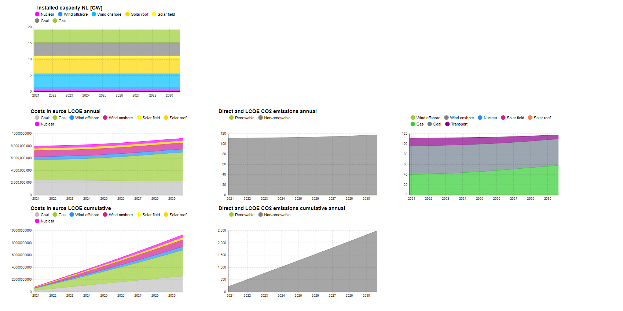
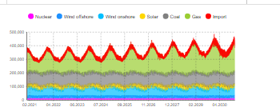
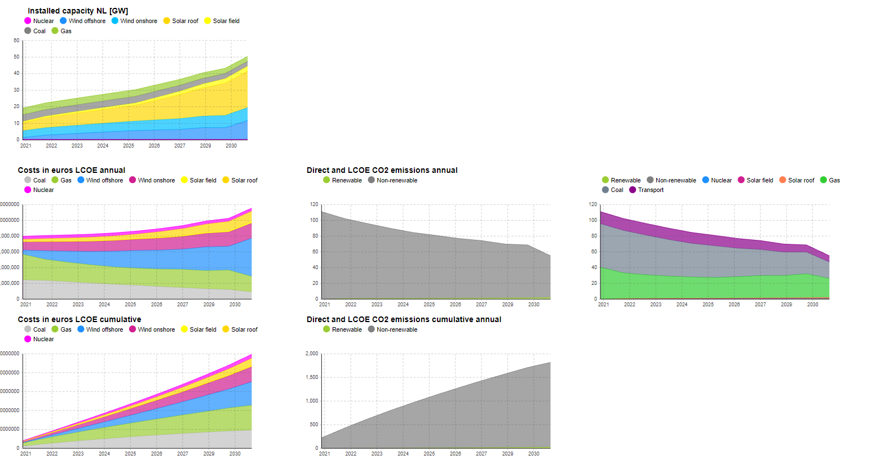
 |  | Climate agreement | No batteries
Capacity factors
CA 2020
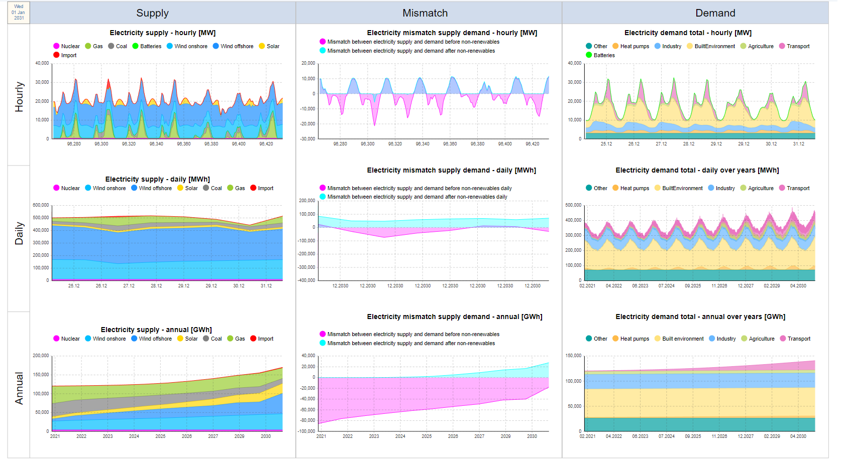
Onshore wind | 0.642
Offshore wind | 0.682
Solar field panels | 0.119
Solar roof panels | 0.119

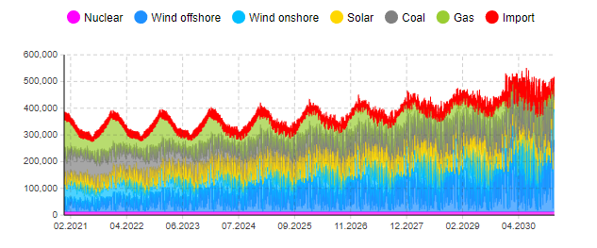

 |  | D66 no batteries
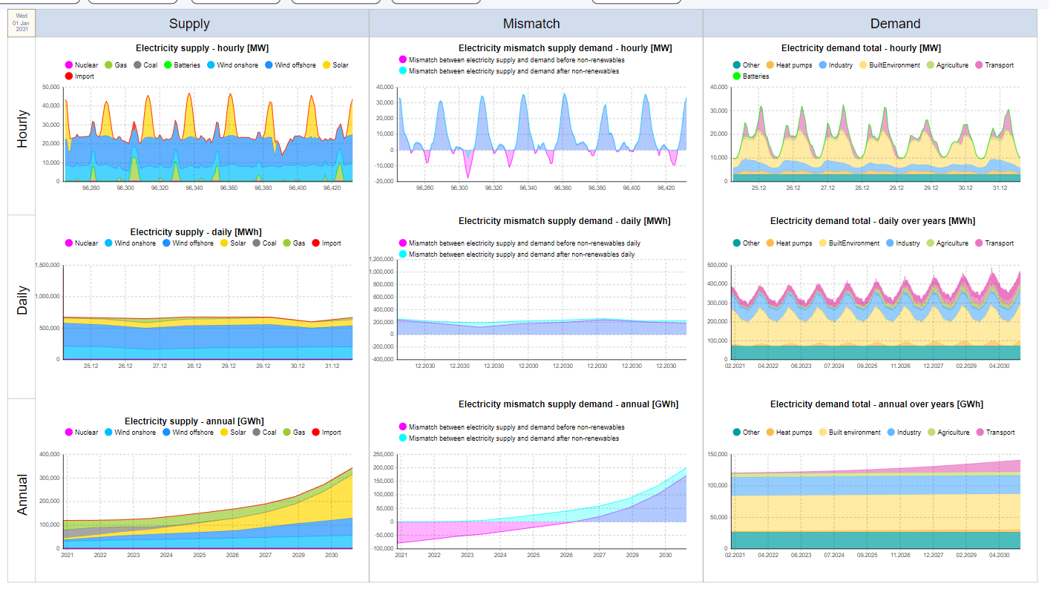
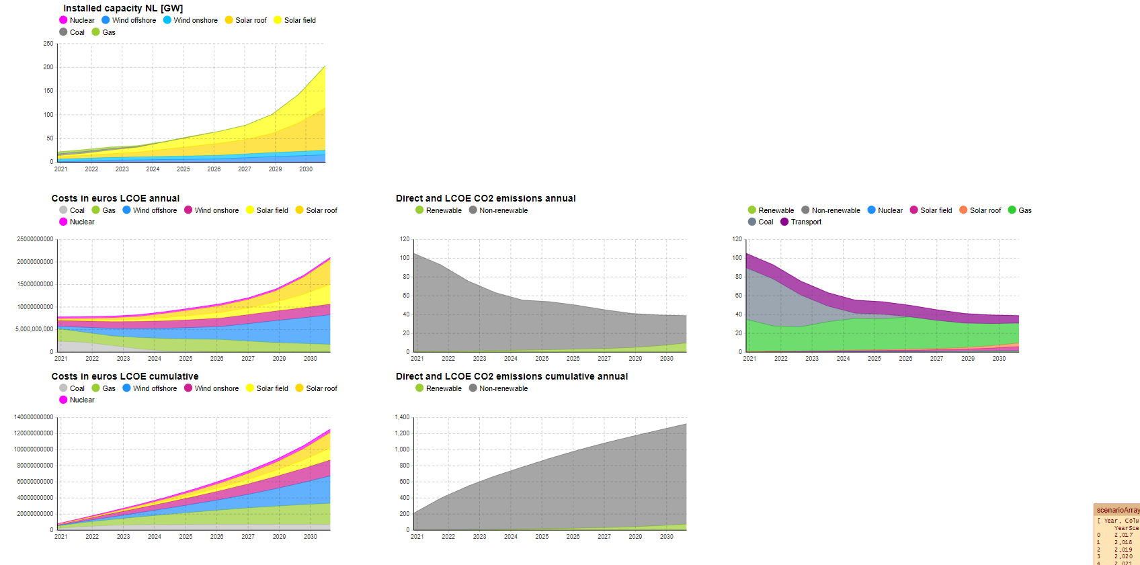

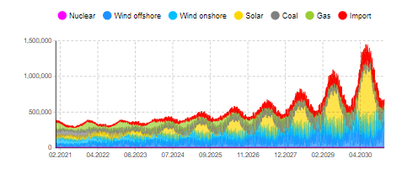

 |  | GroenLinks No batteries

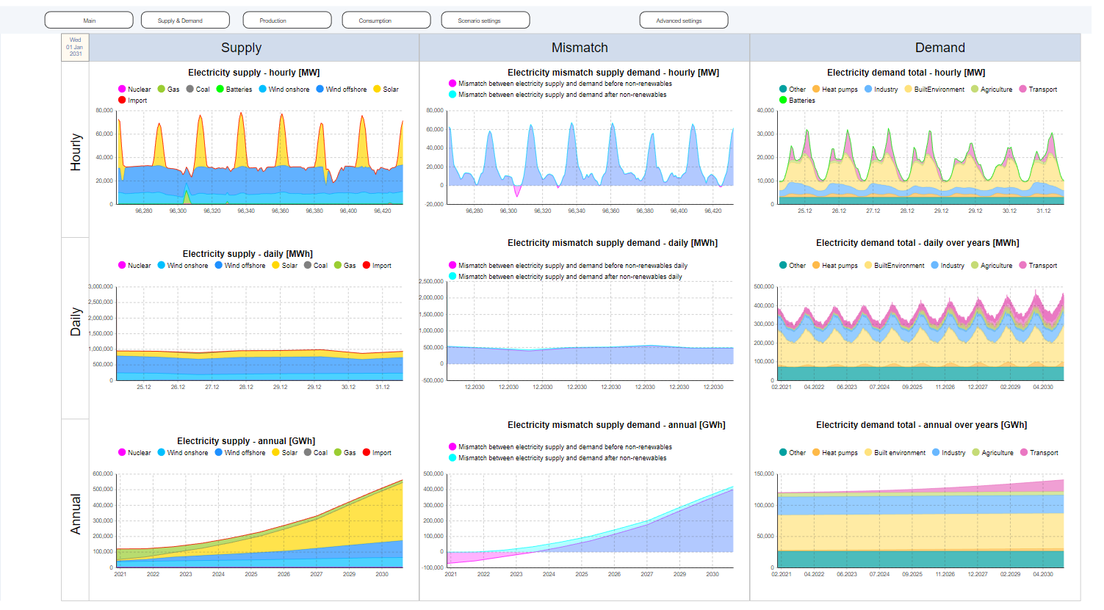
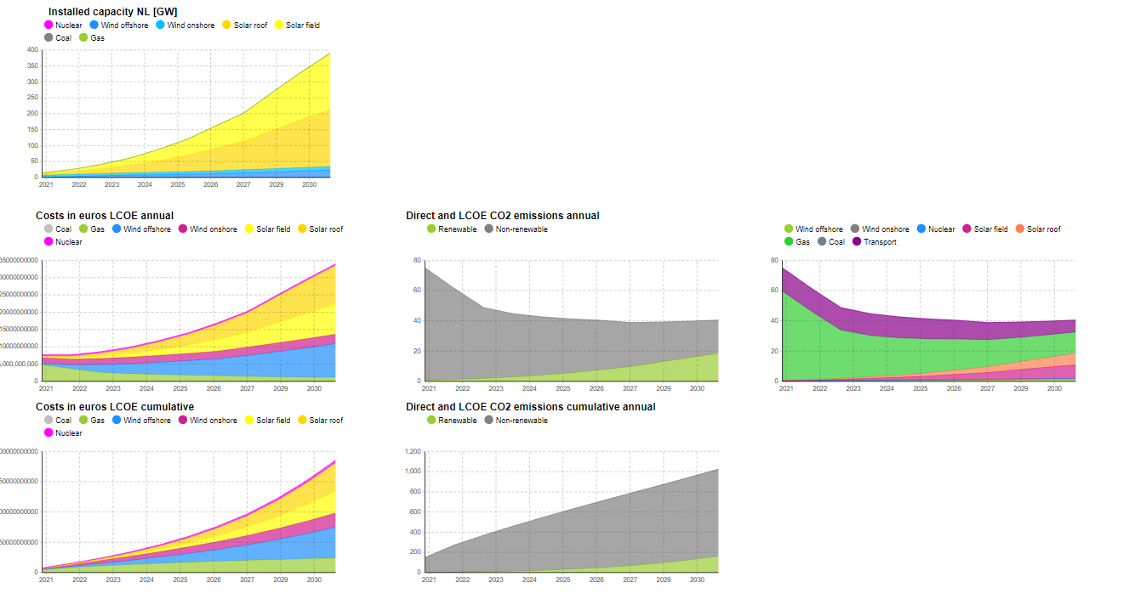

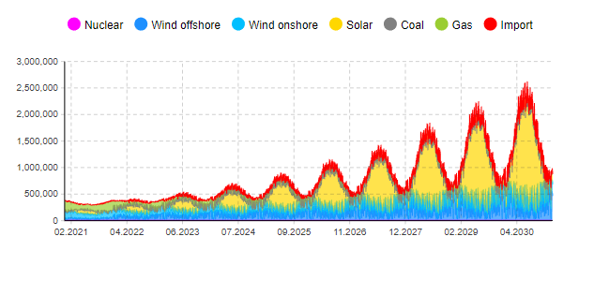

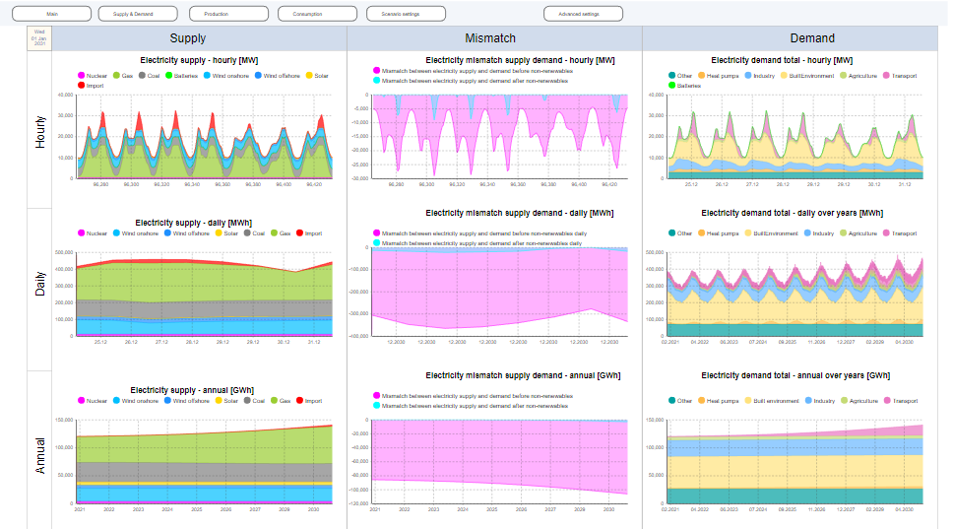
 |  | PVV

